Wheels
 |  |  | S = Standard Equipment A = Available -- (dashes) = Not Available D = ADI Available ■ = Included in Equipment Group □ = Included in Equipment Group but upgradeable * = Indicates availability of feature on multiple models.
 |  |  | 1: Available on all models. 2: Available on all 4WD models. 3: Available on 4WD Crew Cab CK30*43 models.
Orderable RPO Code | Ref. Only RPO Code | Wheels | Description | Work Truck 1WT1 | LT 1LT2 | LTZ 1LZ3 | High Country 3LZ3
PYT |  | 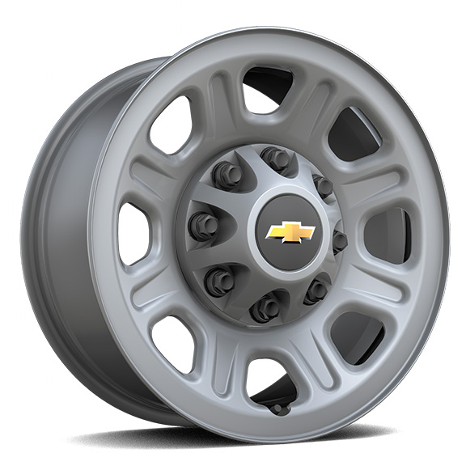 | Wheels, 18" (45.7 cm) painted steel 1. Requires single rear wheels. 2. Requires single rear wheels and a Fleet or Government order type. | □1 | A2 | -- | --
 | PYW | 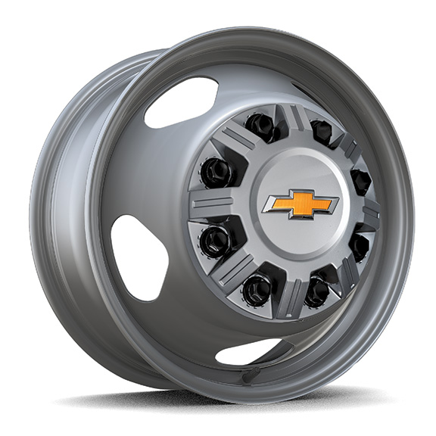 | Wheels, 17" (43.2 cm) painted steel 1. Requires dual rear wheels. | S1 | S1 | □1 | --
 | P03 | 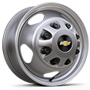 | Wheel trim, painted centre caps 1. Requires dual rear wheels. | □1 | -- | -- | --
PYV |  | 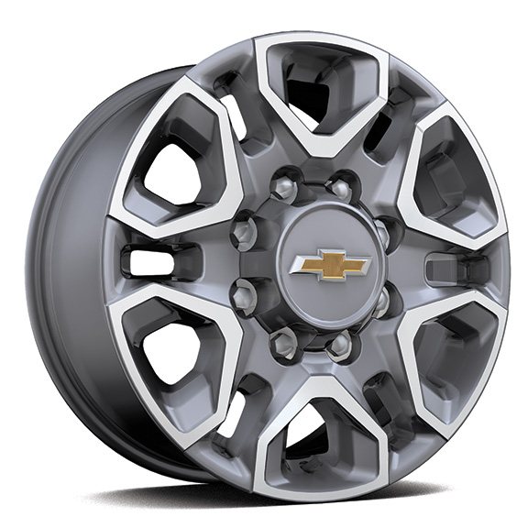 | Wheels, 18" (45.7 cm) machined aluminum with Silver painted accents, 6-spoke 1. Requires single rear wheels. | A1 | □1 | □1 | --
 | PTW | 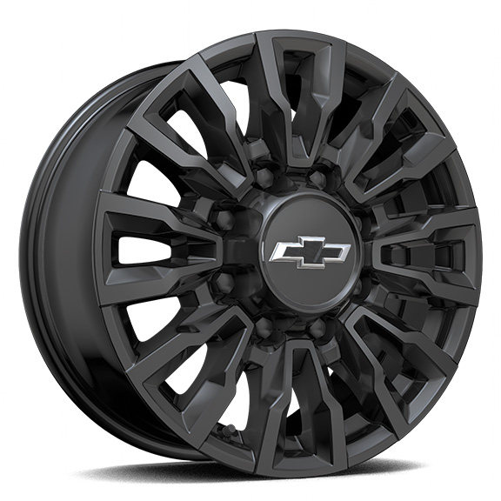 | Wheels , 18" (45.7 cm) High Gloss Black aluminum 1. Included and only available with (ANQ) Alaskan Snow Plow Special Edition. Not available with dual rear wheels. | A1 | A1 | -- | --
Q86 |  | 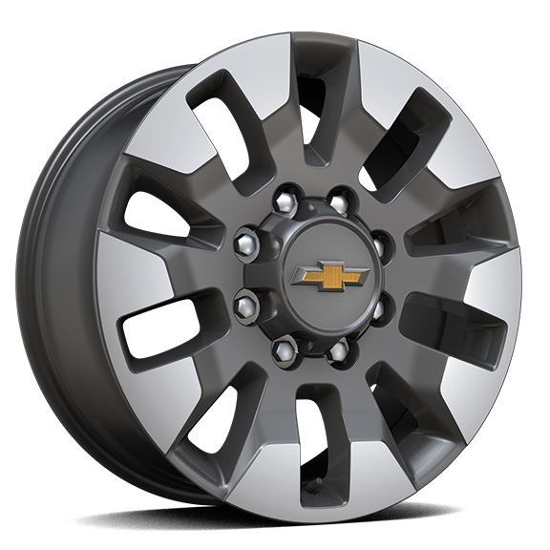 | Wheels, 20" (50.8 cm) machined aluminum with Grazen Metallic painted accents, 10-spoke 1. Requires Crew Cab model and (QF9) LT275/65R20 all-terrain, blackwall tires. Included with (PCQ) Duramax and Appearance Package. Available as an upgrade when (PDU) True North Edition or (PDZ) Z71 Off-Road and Protection Package is ordered. Not available with dual rear wheels or (ZW9) pickup bed delete. | -- | A1 | -- | --
SKX |  | 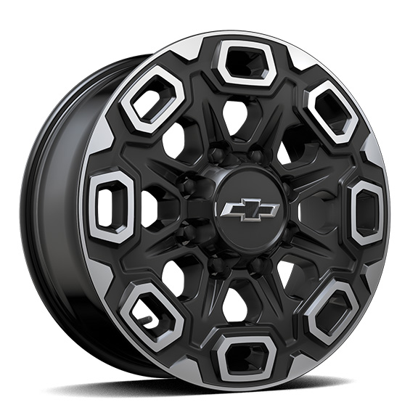 | LPO, 20" (50.8 cm) Aluminum high gloss Black with machined finish wheels, LPO wheels will come with 4 aluminum 20" transit wheels from the factory with alignment specs set to 20" LPO wheel selected (dealer-installed) | -- | A | A | A
SHH |  | 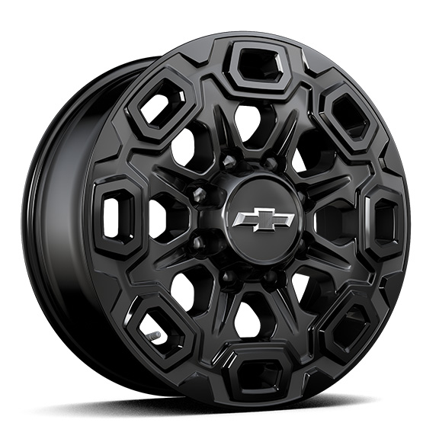 | LPO, 20" (50.8 cm) high gloss Black aluminum wheels, LPO wheels will come with 4 aluminum 20" transit wheels from the factory with alignment specs set to 20" LPO wheel selected (dealer-installed) | -- | A | A | A
SQ9 |  | 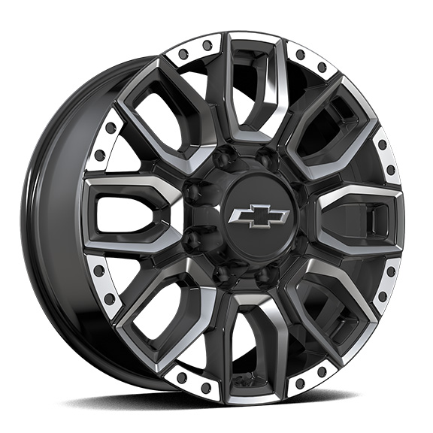 | LPO, 20" (50.8 cm) Machined Aluminum Bolt Pattern with High Gloss Black Accents wheels, LPO wheels will come with 4 aluminum 20" Transit Wheels from the factory with alignment specs set to 20" LPO wheel selected (dealer-installed) | -- | A | A | A
Q21 |  | 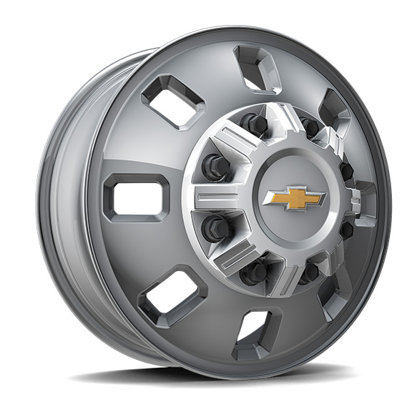 | Wheels, 18" (45.7 cm) Polished forged aluminum 1. Available on dual rear wheels only. Requires (QHY) LT235/80R18 blackwall all-terrain tires. 2. Available on dual rear wheels only. Requires (QHY) LT235/80R18 blackwall all-terrain tires. Includes chrome centre caps. | A1 | A1 | A1 | S2
SRI |  | 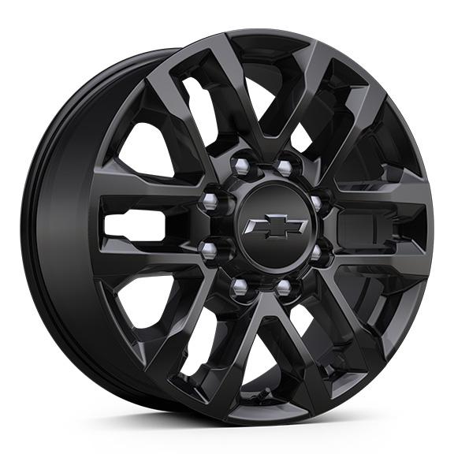 | Wheels, 20" (50.8 cm) High gloss Black painted wheel with Black centre caps 1. Included with (WPK) Trail Boss Package. Not available with dual rear wheels. 2. Included and only available with (WJP) Midnight Edition. Not available with dual rear wheels. | -- | A1 | A1 | A2
WR4 |  | 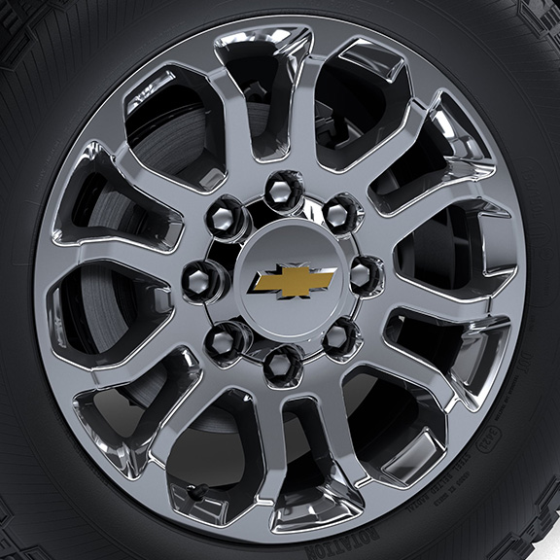 | Wheels, 20" (50.8 cm) Bright finish aluminum, 12-spoke 1. Included and only available with (WBL) Z71 Chrome Sport Edition. 2. Requires (QF9) LT275/65R20 all-terrain, blackwall tires. Included with (PDZ) Z71 Off-Road and Protection Package, (PDK) LTZ Premium Package or (WBL) Z71 Chrome Sport Edition. Not available with dual rear wheels. | -- | A1 | A2 | --
 | WR1 | 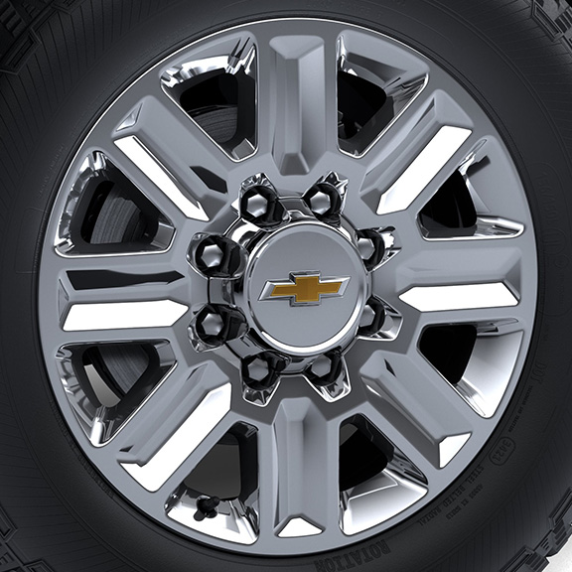 | Wheels, 20" (50.8 cm) Bright finish aluminum, 8-spoke 1. Single rear wheel only. | -- | -- | -- | S1

